COVER
2023
Municipal Valuation Return
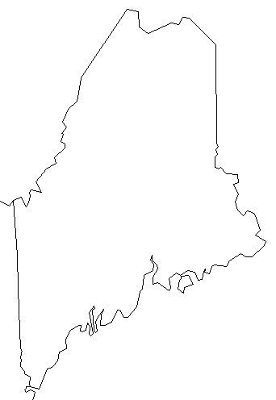

DUE DATE - NOVEMBER 1, 2023 (or within 30 days of commitment, whichever is later)

Mail the signed original to Maine Revenue Services, Property Tax Division,
PO Box 9106, Augusta, ME 04332-9106 and affix copy to front cover of Municipal Valuation book.
You may also email this return to the Property Tax Division at: prop.tax@maine.gov.

For help in filling out this return, please see the MVR Instructions at www.maine.gov/revenue/taxes/property-tax/assessor

